Front
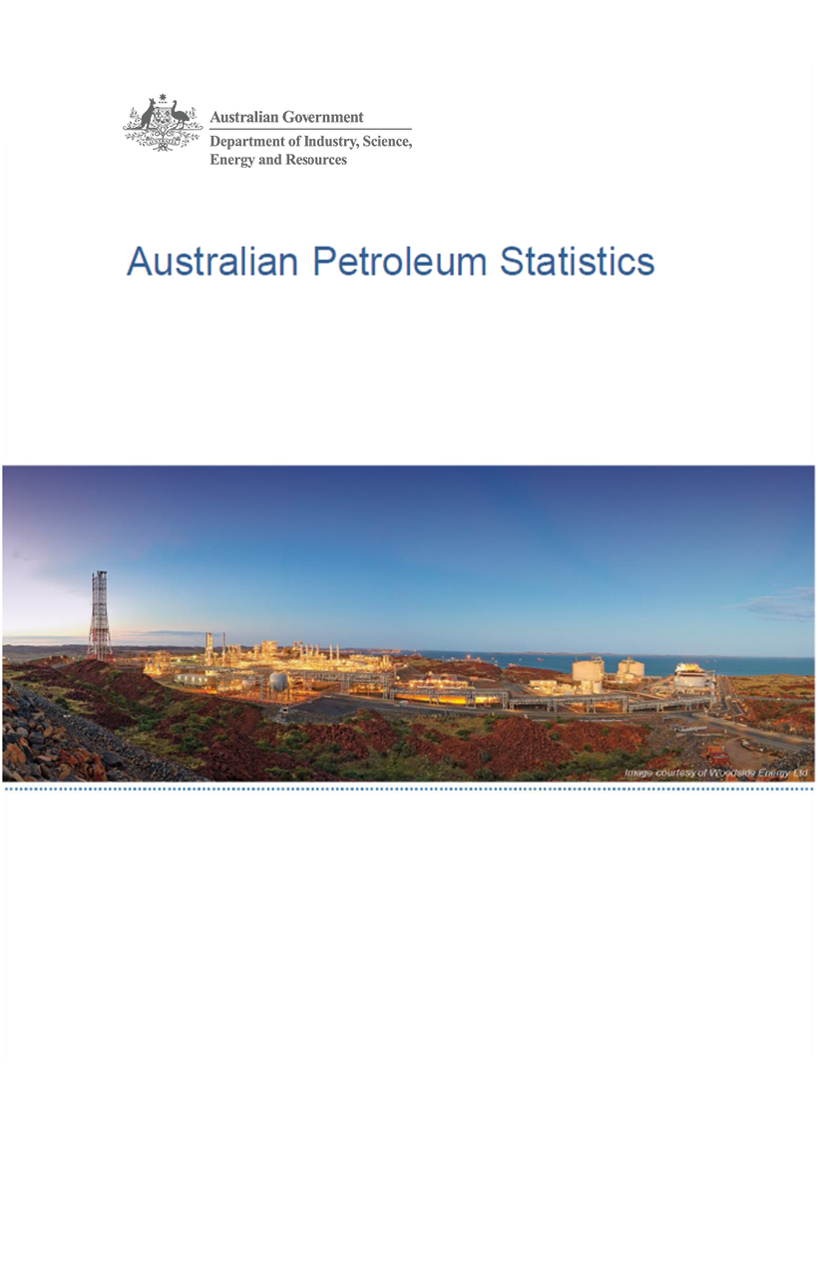

Issue 301, August 2021

https://www.energy.gov.au/government-priorities/energy-data/australian-petroleum-statistics

Figure 8B
Australian Petroleum Statistics

Figure 8B. Comparison of retail fuel prices and taxes in OECD countries - June Quarter 2021

Premium unleaded petrol
 | Price ex. tax | Total tax
Turkey | 80 | 35
United States | 97 | 19
Canada | 106 | 43
Chile | 89 | 65
Australia | 102 | 57
Poland | 91 | 93
Slovenia | 83 | 103
Hungary | 94 | 95
Lithuania | 87 | 106
Czech Republic | 83 | 112
Austria | 86 | 110
Luxembourg | 92 | 110
Latvia | 87 | 116
Korea | 98 | 109
Spain | 100 | 111
Slovak Republic | 98 | 116
New Zealand | 114 | 103
Ireland | 82 | 142
Belgium | 94 | 133
United Kingdom | 88 | 143
Switzerland | 110 | 124
France | 90 | 149
Germany | 90 | 149
Norway | 99 | 149
Denmark | 100 | 148
Israel | 90 | 158
Italy | 89 | 160
Portugal | 98 | 152
Greece | 94 | 158
Finland | 95 | 163
Netherlands | 106 | 171
Regular unleaded petrol
 | Price ex. tax | Total tax
Colombia | 61 | 21
United States | 82 | 19
Canada | 91 | 50
Australia | 87 | 56
Chile | 87 | 64
Korea | 77 | 103
Japan | 97 | 84
Austria | 84 | 110
New Zealand | 95 | 103
Automotive diesel
 | Price ex. tax | Total tax
Colombia | 69 | 11
Turkey | 74 | 32
Chile | 80 | 27
United States | 89 | 21
New Zealand | 109 | 21
Canada | 89 | 44
Australia | 80 | 55
Korea | 81 | 75
Japan | 105 | 52
Lithuania | 86 | 88
Poland | 97 | 85
Luxembourg | 94 | 89
Czech Republic | 90 | 93
Austria | 92 | 94
Latvia | 89 | 99
Slovak Republic | 100 | 89
Spain | 97 | 92
Hungary | 98 | 91
Slovenia | 85 | 106
Denmark | 97 | 110
Greece | 103 | 105
Ireland | 86 | 122
Germany | 94 | 117
Portugal | 97 | 121
France | 87 | 131
Netherlands | 105 | 116
Italy | 89 | 138
Belgium | 94 | 133
Norway | 106 | 127
Finland | 110 | 125
United Kingdom | 93 | 145
Switzerland | 117 | 130
Israel | 100 | 154
Automotive LPG
 | Price ex. tax | Total tax
Slovak Republic | 50 | 28
Australia | 59 | 21
Poland | 52 | 32
Belgium | 71 | 14
Czech Republic | 57 | 28
Lithuania | 50 | 41
Luxembourg | 75 | 16
Turkey | 64 | 27
Canada | 76 | 19
Latvia | 55 | 42
Korea | 68 | 35
Slovenia | 67 | 36
Italy | 61 | 42
Portugal | 63 | 45
Germany | 70 | 38
Japan | 91 | 22
Spain | 89 | 25
Netherlands | 67 | 49
Hungary | 77 | 40
France | 90 | 41
Chile | 129 | 25

